Nvidia Balance sheet
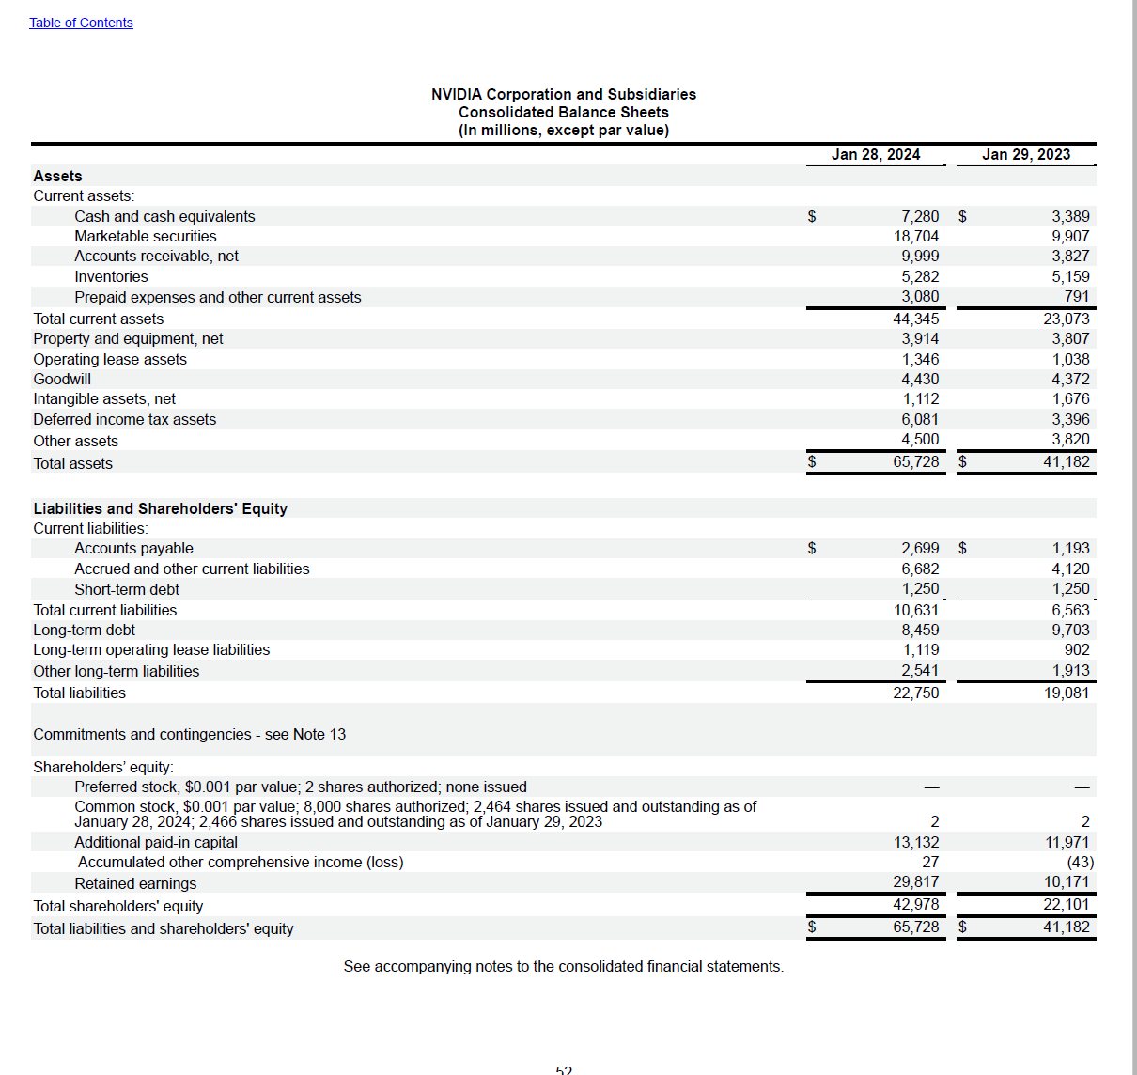
NVIDIA Corporation and Subsidiaries |  |  | See Chapter 6, Topic 6 of Financial Reporting: First Take for discussion of Expanded presentation
Consolidated Balance Sheets
(In millions, except par value)
 | Jan 28, 2024 | Jan 29, 2023
Assets |  |  | $ change for two years | % change for two years | common-sized for 2024 | common-sized for 2023
Current assets:
Cash and cash equivalents | $7,280 | $3,389
Marketable securities | 18,704 | 9,907
Accounts receivable, net | 9,999 | 3,827
Inventories | 5,282 | 5,159
Prepaid expenses and other current assets | 3,080 | 791
Total current assets | 44,345 | 23,073
Property and equipment, net | 3,914 | 3,807
Operating lease assets | 1,346 | 1,038
Goodwill | 4,430 | 4,372
Intangible assets, net | 1,112 | 1,676
Deferred income tax assets | 6,081 | 3,396
Other assets | 4,500 | 3,820
Total assets | $65,728 | $41,182

Liabilities and Shareholders' Equity
Current liabilities:
Accounts payable | $2,699 | $1,193
Accrued and other current liabilities | 6,682 | 4,120
Short-term debt | 1,250 | 1,250
Total current liabilities | 10,631 | 6,563
Long-term debt | 8,459 | 9,703
Long-term operating lease liabilities | 1,119 | 902
Other long-term liabilities | 2,541 | 1,913
Total liabilities | 22,750 | 19,081
Commitments and contingencies - see Note 13

Shareholders' equity:
Preferred stock, $0.001 par value; 2 shares authorized; none issued | - | -
Common stock, $0.001 par value; 8,000 shares authorized; 2,464 shares
issued and outstanding as of January 28, 2024; 2,466 shares issued and
outstanding as of January 29, 2023 | 2 | 2
Additional paid-in capital | 13,132 | 11,971

Accumulated other comprehensive income (loss) | 27 | (43)
Retained earnings | 29,817 | 10,171
Total shareholders' equity | 42,978 | 22,101
Total liabilities and shareholders' equity | $65,728 | $41,182

Nvidia Income statement
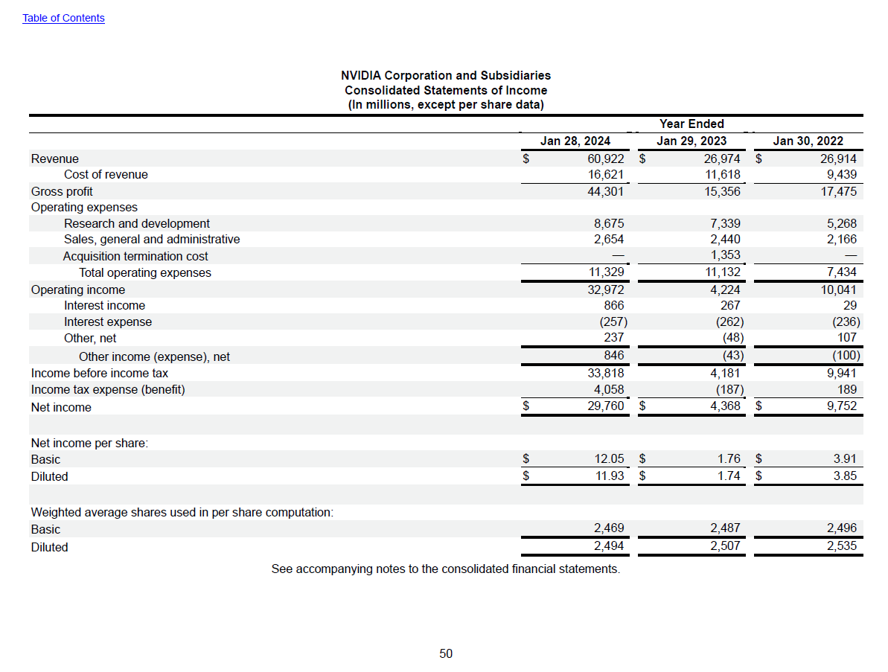
NVIDIA Corporation and Subsidiaries |  |  |  | See Chapter 7, Topic 12 of Financial Reporting: First Take for disucssion of Expanded presentation and formuli
Consolidated Statements of Income
(In millions, except per share data)
 |  | Year Ended |  | $ change for | % change for | $ change for | % change for | common-sized for | common-sized for | common-sized for
 | Jan 28, 2024 | Jan 29, 2023 | Jan 30, 2022 | 2024 v 2023 | 2024 v 2023 | 2023 v 2022 | 2023 v 2022 | 2024 | 2023 | 2022
Revenue | $60,922 | $26,974 | $26,914
Cost of revenue | 16,621 | 11,618 | 9,439
Gross profit | 44,301 | 15,356 | 17,475
Operating expenses
Research and development | 8,675 | 7,339 | 5,268
Sales, general and administrative | 2,654 | 2,440 | 2,166
Acquisition termination cost | - | 1,353 | -
Total operating expenses | 11,329 | 11,132 | 7,434
Operating income | 32,972 | 4,224 | 10,041
Interest income | 866 | 267 | 29
Interest expense | (257) | (262) | (236)
Other, net | 237 | (48) | 107
Other income (expense), net | 846 | (43) | (100)
Income before income tax | 33,818 | 4,181 | 9,941
Income tax expense (benefit) | 4,058 | (187) | 189
Net income | $29,760 | $4,368 | $9,752

Net income per share:
Basic | $12.05 | $1.76 | $3.91
Diluted | $11.93 | $1.74 | $3.85

